Sheet1
Theme – Minimise NVA through Digital Store Management & Real-Time Inventory Visibility
1. Objective

Goal: Minimise NVA across the complete Store operation through DX Store App
• Digital flow: Supplier Receiving · SRV/GRN Status · ERP Stock · Rack/Bin · Issue · Consumption · Traceability
• Keep Child Parts Store and Spare Parts Store visibility separate with dedicated KPIs
• Automate manual stock checking, issue entry, reports, alerts and follow-up
• ERP API driven live stock and part history
• Person-independent · centralized live visualization · faster decision making
Target: NVA reduction up to ~90% · paperless transactions · real-time stock · complete traceability
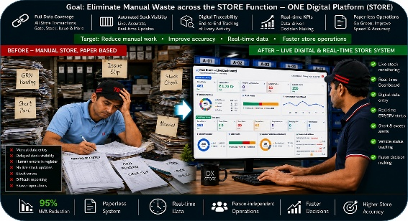

2. Background
Before – Store Operation (Manual = High NVA)
• SRV/GRN: status follow-up through ERP / person dependency
• Stock Check: manual Excel/register + repeated checking
• Part Search: rack/bin finding depends on operator knowledge
• Short/Excess: manual calculation and review
• Reports: daily/monthly report preparation in Excel
• Traceability: old issue/receipt history search takes time
• Vehicle Window Status: manual daily tracking
Result: high NVA, delayed visibility, duplicate entry and person-dependent control
Before – Internal Store / Inventory Control (Manual = High NVA)
• Stock: ERP/Excel/physical stock checked separately
• Rack: location known by people; occupancy not live
• Short/Excess: manual review using consumption and stock
• Report: daily/monthly MIS prepared in Excel
• Traceability: old receipt/issue records searched manually
• Vehicle status: supplier window tracking updated manually
• Recording: registers/files/Excel create repeated work

Before: NVA Time - Supplier & TBDI Process (Cumulative)

Other Manual Work (NVA)
🔧 Manual rack/bin search and location follow-up
📈 Manual short/excess and consumption analysis
🚚 Manual supplier vehicle status update
👁️ Limited live store visualization
⚠️ Duplicate data / missed updates / human error risk
⏳ Slow management reporting and decisions
🗂️ Historical record search takes time
Pain Points — NVA across Store operations
● No single live stock visibility
● ERP, Excel and physical status checked separately
● Part/rack search person-dependent
● Short / excess identification requires manual calculation
● Daily reports and consumption analysis require Excel work
● Limited traceability of receipt-to-issue history
● Supplier vehicle window status tracked manually
● Duplicate entry and delayed stock updates
● Limited management visibility and live alerts

Conclusion:- Manual store activities create repeated checking, delayed stock visibility, person dependency, duplicate entry, slow reporting and weak end-to-end traceability.

3. Improvement Details

📥 RECEIVING: Digital receiving entry · supplier/invoice/part qty verification · SRV/GRN status visibility
📦 LIVE STOCK: ERP API stock · part-wise stock · Min/Max · coverage · Short <1 day · Excess aging
🗄️ RACK/BIN: Rack master · location mapping · occupied/capacity visibility · holding area control
🔄 ISSUE: One digital issue transaction per pick · department/machine/part-type consumption
🏭 SPARE PARTS STORE: Maintenance · Tool Room · Press/other machine parts · consumption & critical stock
🚚 CHILD PARTS STORE: BOP/Import/In-house inventory · supplier vehicle window status · production supply
📊 DASHBOARD: Critical Short Parts · Excess Aging · Top Consumption · Rack Utilization · Live Alerts
🔍 TRACEABILITY: Receipt → ERP/SRV → Stock → Rack → Issue → Department history
⚡ SYSTEM: Live clock · role-based access · real-time KPIs · auto alerts · exportable reports

Conclusion:- End-to-end Store DX enables real-time inventory visibility, live window time updation, rack/bin control, live KPIs, alerts and complete receipt-to-consumption traceability.

4. Result
5. Future Plan
NVA Reduction — Digital Store Management
⚡ Receiving transaction: 15 → 3 min ↓ 80%
🔎 Part / rack search: 20 → 3 min ↓ 85%
🧾 Traceability search: 30 → 5 min ↓ 83%
📄 Manual registers : redced through one digital transaction
📦 Live ERP stock + Short / Excess / Consumption KPIs on dashboard
🚚 Supplier vehicle window update:30→2 min ↓ 93%
NVA Reduction: Estimated 80–90% across key store activities
Capacity released through faster transactions, less searching and less reporting effort
🚀 DX STORE FUTURE ROADMAP
📅 2026:-(In-Progress)
• Spare Parts Store and Child Part Store live stock
• Child Parts Store and Spare Parts Store separate management views
• Critical Short Parts · Excess Aging · Top Consumption · Live Alerts
• Supplier Vehicle Window Status dashboard and automation
• ERP API live stock integration
📅 2026:-
• Auto reorder list for below-min parts
• Management HMI live dashboard
• Rack/Bin utilization and holding-area FIFO / machine / part-type consumption analytics
📅 2027:-
• Barcode / QR based receiving and issue
• Predictive stock requirement and abnormal consumption alerts
• Multi-store / multi-location integration
📅 Future:-
• AI-assisted search, prediction and decision support
• Paperless Smart Store integrated with production and ERP
Target Date- 30 Nov. 2026
Store Operator Login
DX Login (Admin)

Plant Head Centralised Login
Maintenance Login
Tool Room Login
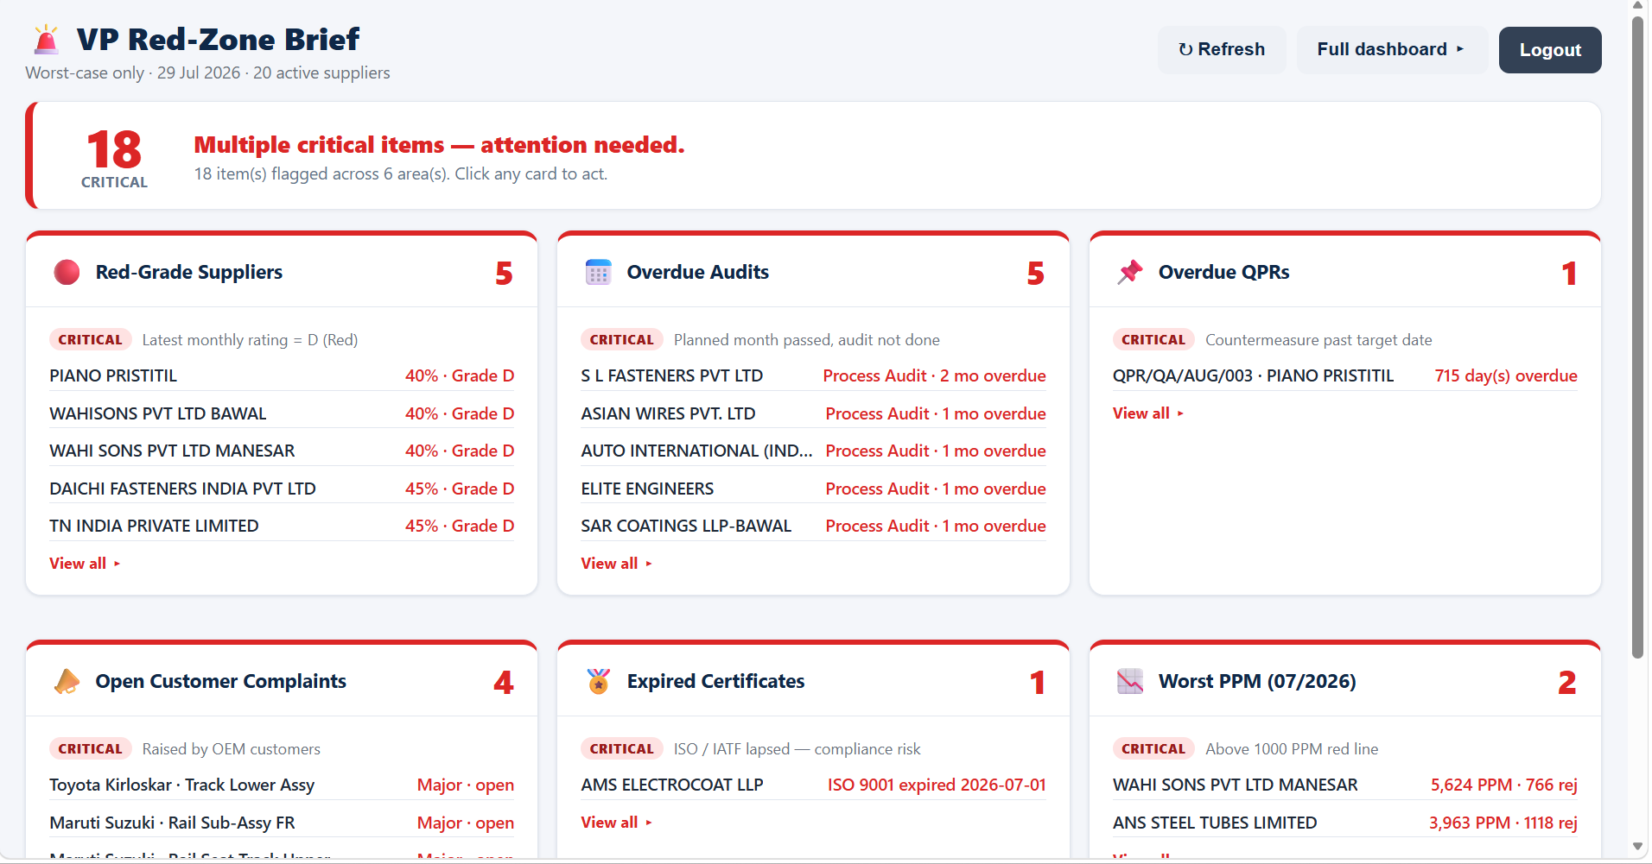

Store Supervisor Login
Store Head Login

Result: Overall NVA Time Before vs After
 | Before (Manual) | After (Digitalization)
Receiving Transaction | 15 | 3
Part / Rack Search | 20 | 3
Traceability Search | 30 | 5
Supplier Vehicle Window Update | 30 | 2

DX STORE – DIGITAL TODAY, SMART STORE TOMORROW One Platform. Live Stock. Complete Traceability. Faster Decisions.

